editable-sales-form
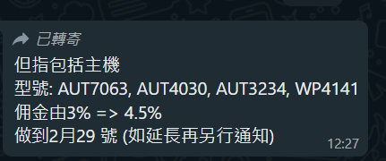
 |  |  |  |  |  |  |  |  | 51 |  | 16568 | 497.04 |  |  | 39.9
No. | Shop | Location | Promoter | month | date | Model | Product Line | Input | quantity | price | Total Price | Commission 3% | Commission 2.5% | Commission 1.5% | ADD8906 5% | Page | concat | Remark
...

